재확인필요
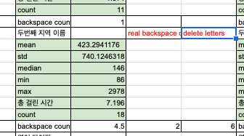
영상 재확인이 필요한것 | 참가자 | Trial
수정완료 | P043 | 1 | 타이핑 데이터 재확인하여 추출이 필요함 (사이트 검색) 부분에서 -및 소수가 나왔는데 실제로 영상에서 친것은 18번임
수정완료 | P052 | 4 | 마지막에 ㅆ, ㅣ가 포함되있는데 잘못포함되어 확인이 필요함.
확인완료 | P052 | 7 | 데이터가 없는데 별다른 언급이 없어서 확인이 필요함
수정완료 | P052 | 7 | 마지막 문자보내는거에서 ㅆ, ㅣ가 포함되있는데 시간을 보면 잘못포함되어 확인이 필요함
수정완료 | P054 | 7 | 주소지 안에 지역 이름 검색도 있는데 이 부분에 대해서 영상을 보면 치다가 다시 들어가서 친후에 다시 쳤는데, 그 다시 친 시간은 제외하고 영어로 타이핑한것만 포함하고 시간도 마찬가지로 그렇게 계산할것

